Bug Report
Bug ID | Description | Reproducibility Steps | Expected Result | Actual Result | Severity | Priority | Evident
OPENCART-BUG-1 | User did not receive any confirmation E-Mail. | "1. Click on 'My Account' located at the top banner. 2. Choose 'Register' in the drop down menu. 3. Fill in all information needed for 'First Name' 'Last Name' 'E-Mail' 'Password' 4. Agree the 'Privacy Policy'. 5. Click 'Continue' button. 6. Click 'Continue' button. 8. Check the confirmation E-Mail under registered E-Mail address." | A confirmation E-Mail should be sent to the correct E-Mail address. | User did not receive any confirmation E-Mail. | Minor | P2 | N/A
OPENCART-BUG-2 | No red * symbol for the Privacy Policy checkbox. | Observe the entire page and recognize any abnormacy | Everything should be correctly designed and displayed | No red * symbol for the Privacy Policy checkbox | Minor | P2
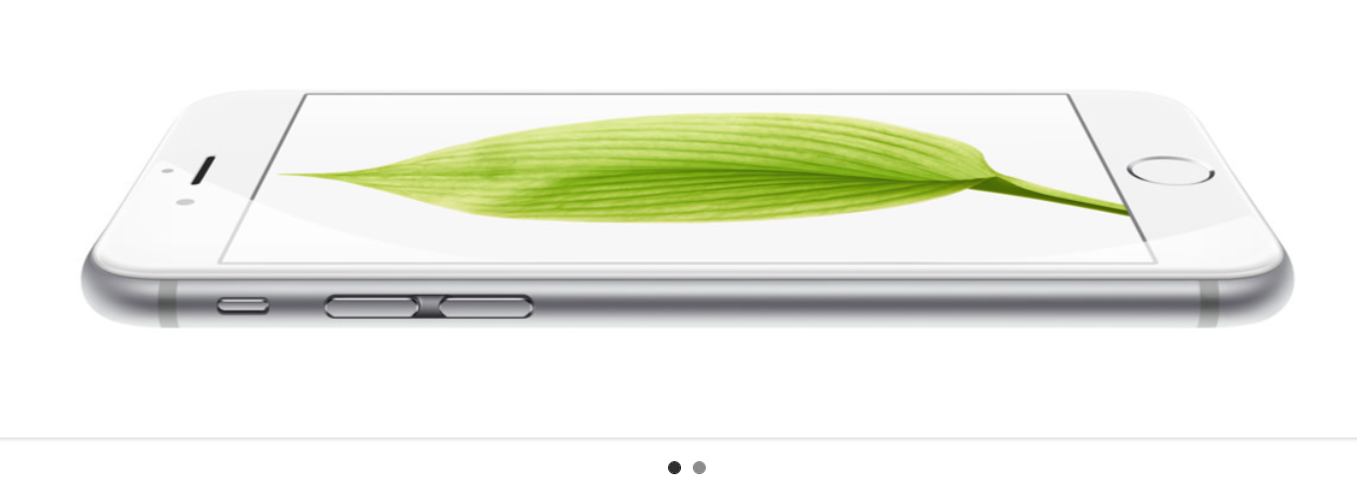
OPENCART-BUG-3 | User is logged out by clicking 'back' button on browser immediately after logged in. | "1. Click on 'My Account' located at the top banner. 2. Choose 'Login' in the drop down menu. 3. Fill in all valid information needed for 'E-Mail Address' 'Password' 4. Click 'Login'. 5. Click 'Back' button on the browser." | 1. Forward to Page: 'Login'. 2. Forward to Page: 'My Account'. 3. User remains logged in. | 1. Forwarded to Page: 'Login'. 2. Forwarded to Page: 'My Account'. 3. User is logged out. | Major | P1
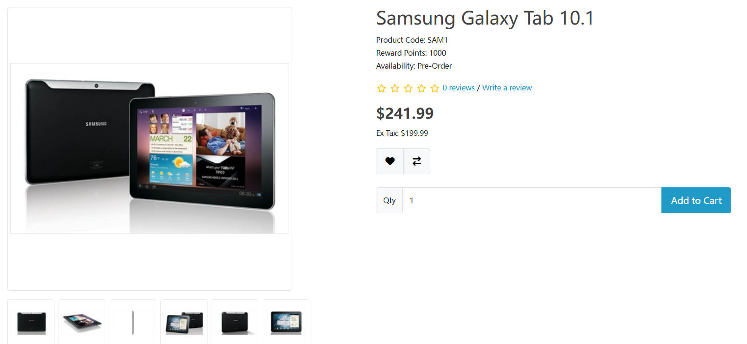
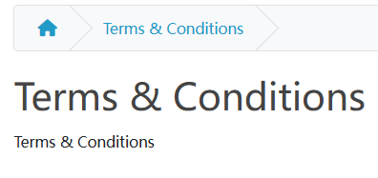
OPENCART-BUG-4 | Wrong product is displayed by clicking the first Hero image and the second Hero image is unclickable. | Click on the Hero images. | User should be forwarded to correct product page by clicking the Hero images. | Wrong product is displayed by clicking the first Hero image and the second Hero image is unclickable. | Critical | P0
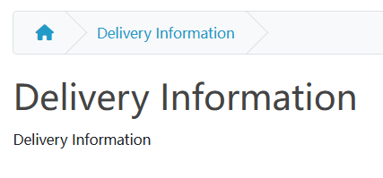

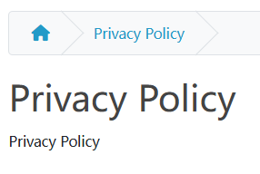
OPENCART-BUG-5 | There is no content in the: 'About Us', 'Delivery Information', 'Privacy Policy' and 'Terms & Conditions' pages. | Click 'About Us', 'Delivery Information', 'Privacy Policy' and 'Terms & Conditions' buttons located in Footer under Information section. | Proper contents are displayed on each page. | No content is displayed on each page. | Critical | P0

